7 - 082226
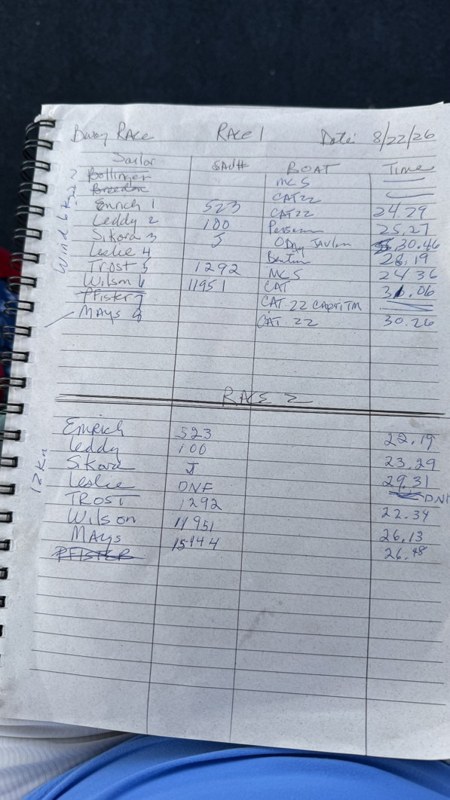
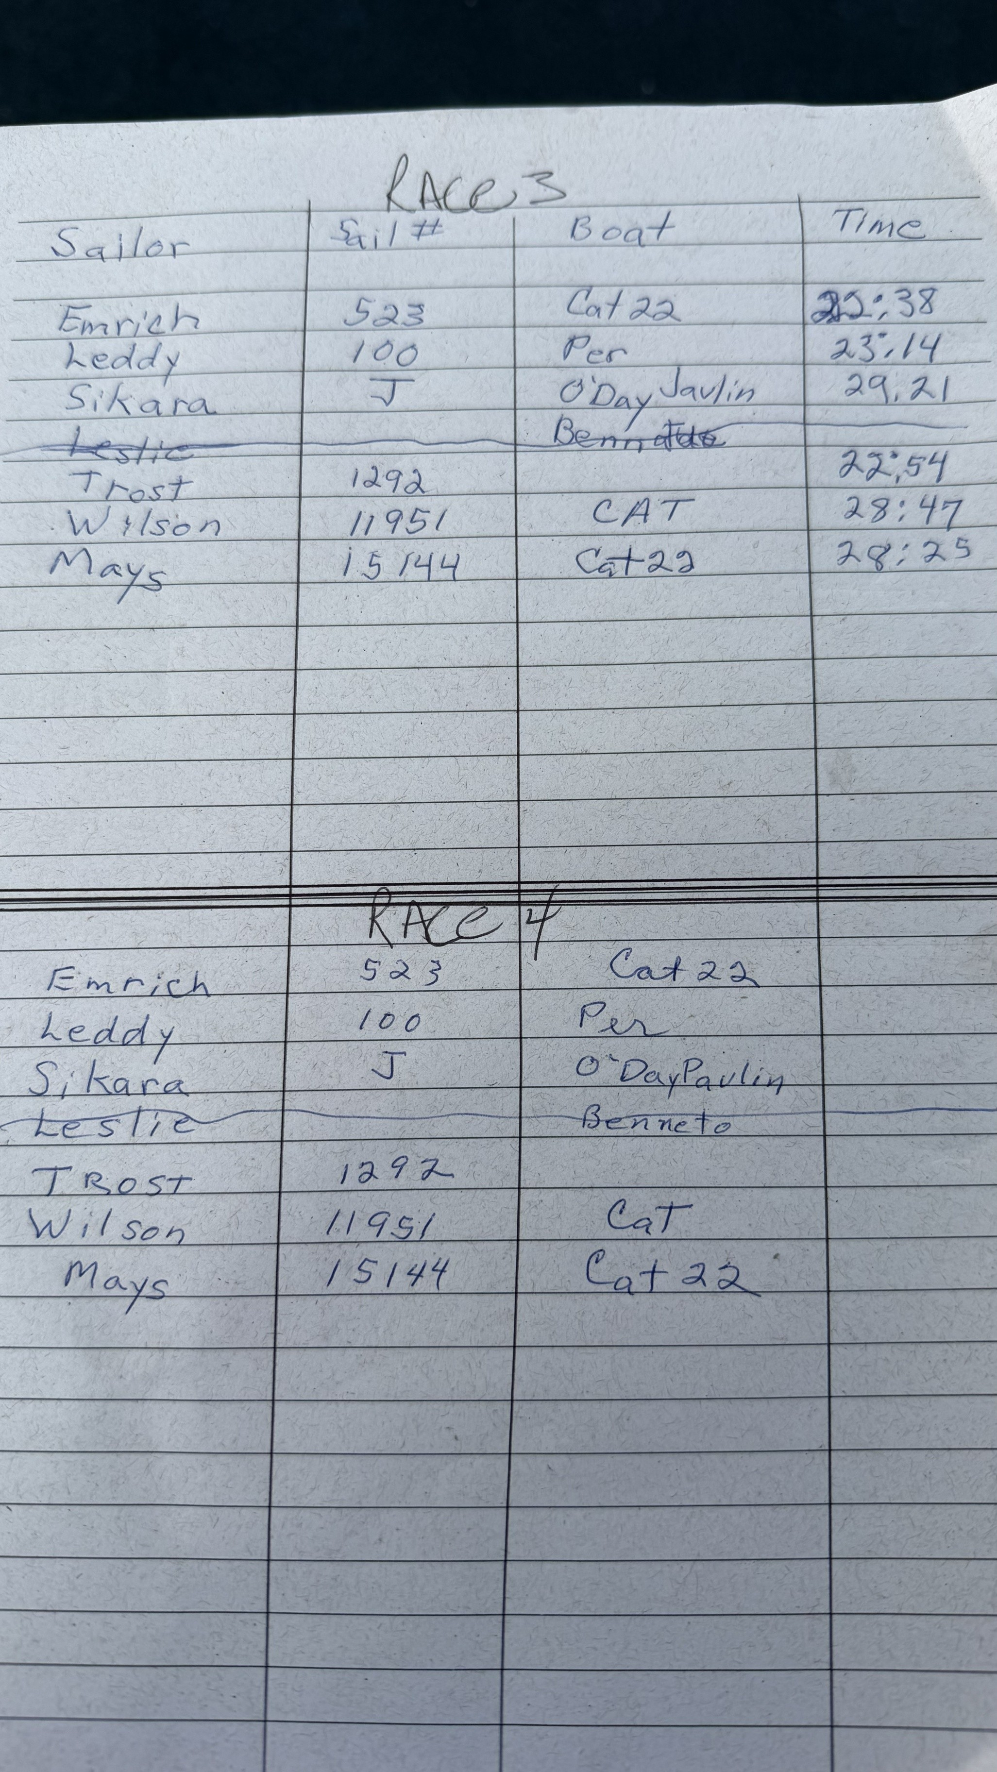
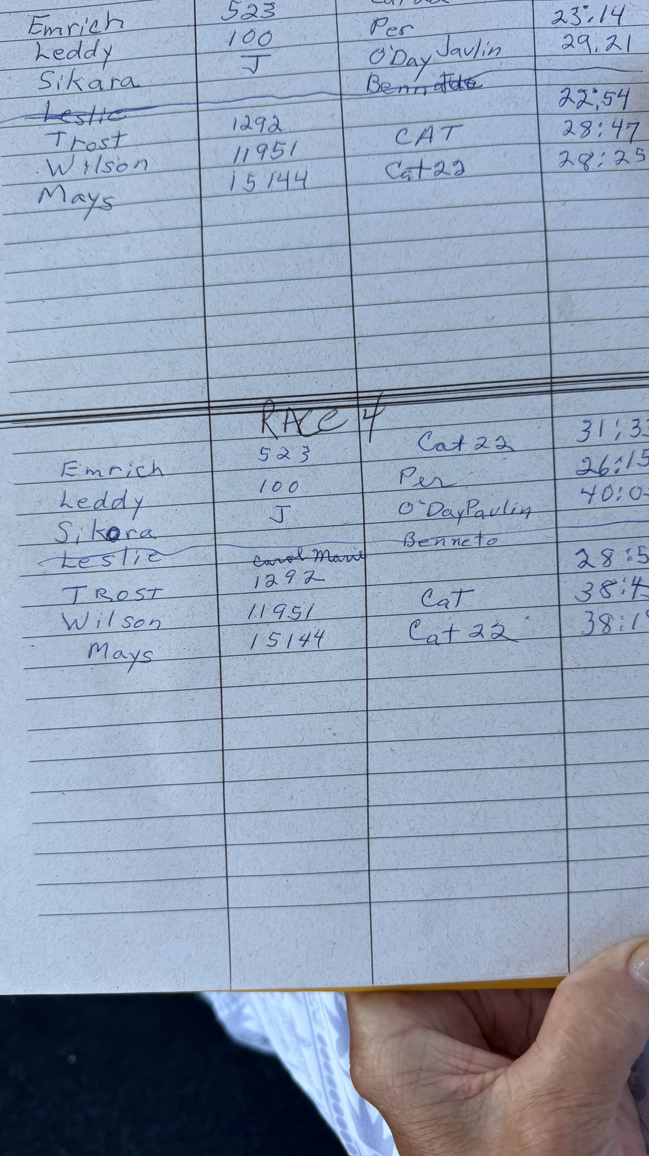
Buoy Race # | 7 | Date | 2026-08-22
Series Race | Sailor | Sail Nr | Boat Type | Hdcp | +Minute | Min | Sec | Act Time Decinal | Corr Time Decimal | Corr Time Min/Sec | Place |  | START Time | Course | Winds | weather
 |  |  |  |  |  |  |  |  |  |  |  |  |  |  | 6N
18 | emrich | 523 | Catalina 22 | 96.3 |  | 24 | 29 | 24.48 | 25.42 | 25:25 | 7 | DNF |  |  |  |  | #REF! | emrich | 25:25 |  | 24.29
 | leddy | 100 | Precis 185 | 90.2 |  | 25 | 27 | 25.45 | 28.22 | 28:13 | 4 |  |  |  |  |  | #REF! | SIKORA | 27:39 | 1
 | leslie | 251 | Beneteau F235 | 89.6 |  | 28 | 19 | 28.32 | 31.60 | 31:36 | 3 |  |  |  |  |  | #REF! | trost | 28:01 | 2
 | MAYS | 15144 | Catalina 22 | 96.3 |  | 30 | 26 | 30.43 | 31.60 | 31:36 | 4 |  |  |  |  |  | #REF! | leddy | 28:13 | 3
 | SIKORA | J | Javelin | 111.3 |  | 30 | 46 | 30.77 | 27.64 | 27:39 | 1 |  |  |  |  |  | #REF! | leslie | 31:36 | 4t
 | trost | 1292 | MC | 87.8 |  | 24 | 36 | 24.60 | 28.02 | 28:01 | 2 |  |  |  |  |  | #REF! | MAYS | 31:36 | 4t
 | wilson | 11951 | Catalina 22 | 96.3 |  | 31 | 6 | 31.10 | 32.29 | 32:18 | 5 |  |  |  |  |  |  | wilson | 32:18 | 5
 | sutherland |  |  |  |  |  |  |  |  |  | 2
 |  |  |  |  |  |  |  |  |  |  |  |  |  |  | 12N
19 | emrich | 523 | Catalina 22 | 96.3 |  | 22 | 19 | 22.32 | 23.17 | 23:10 | 1 |  |  |  |  |  | #REF! | leslie | 00:00 | dnf
 | leddy | 100 | Precis 185 | 90.2 |  | 23 | 29 | 23.48 | 26.03 | 26:02 | 3 |  |  |  |  |  | #REF! | emrich | 23:10 | 1
 | leslie | 251 | Beneteau F235 | 89.6 |  |  |  | 0.00 | 0.00 | 00:00 | 7 | DNF |  |  |  |  | #REF! | trost | 25:42 | 2
 | MAYS | 15144 | Catalina 22 | 96.3 |  | 26 | 48 | 26.80 | 27.83 | 27:50 | 6 |  |  |  |  |  | #REF! | leddy | 26:02 | 3
 | SIKORA | J | Javelin | 111.3 |  | 29 | 31 | 29.52 | 26.52 | 26:31 | 4 |  |  |  |  |  | #REF! | SIKORA | 26:31 | 4
 | trost | 1292 | MC | 87.8 |  | 22 | 34 | 22.57 | 25.70 | 25:42 | 2 |  |  |  |  |  | #REF! | wilson | 27:13 | 5
 | wilson | 11951 | Catalina 22 | 96.3 |  | 26 | 13 | 26.22 | 27.22 | 27:13 | 5 |  |  |  |  |  |  | MAYS | 27:50 | 6
 | sutherland |  |  |  |  |  |  |  |  |  | 2

20 | emrich | 523 | Catalina 22 | 96.3 |  | 22 | 38 | 22.63 | 23.50 | 23:30 | 1 |  |  |  |  |  | #REF! | leslie | 00:00 | dns
 | leddy | 100 | Precis 185 | 90.2 |  | 23 | 14 | 23.23 | 25.76 | 25:45 | 2 |  |  |  |  |  | #REF! | emrich | 23:30 | 1
 | leslie | 251 | Beneteau F235 | 89.6 |  |  |  | 0.00 | 0.00 | 00:00 | 7 | DNS |  |  |  |  | #REF! | leddy | 25:45 | 2
 | MAYS | 15144 | Catalina 22 | 96.3 |  | 28 | 25 | 28.42 | 29.51 | 29:31 | 5 |  |  |  |  |  | #REF! | trost | 26:05 | 3
 | SIKORA | J | Javelin | 111.3 |  | 29 | 21 | 29.35 | 26.37 | 26:22 | 4 |  |  |  |  |  | #REF! | SIKORA | 26:22 | 4
 | trost | 1292 | MC | 87.8 |  | 22 | 54 | 22.90 | 26.08 | 26:05 | 3 |  |  |  |  |  | #REF! | MAYS | 29:31 | 5
 | wilson | 11951 | Catalina 22 | 96.3 |  | 28 | 47 | 28.78 | 29.89 | 29:53 | 6 |  |  |  |  |  |  | wilson | 29:53 | 6
 | sutherland |  |  |  |  |  |  |  |  |  | 2

21 | emrich | 523 | Catalina 22 | 96.3 |  | 31 | 33 | 31.55 | 32.76 | 32:46 | 2 |  |  |  |  |  | #REF! | leslie | 00:00 | dns
 | leddy | 100 | Precis 185 | 90.2 |  | 26 | 15 | 26.25 | 29.10 | 29:06 | 1 |  |  |  |  |  | #REF! | leddy | 29:06 | 1
 | leslie | 251 | Beneteau F235 | 89.6 |  |  |  | 0.00 | 0.00 | 00:00 | 7 | DNS |  |  |  |  | #REF! | emrich | 32:46 | 2
 | MAYS | 15144 | Catalina 22 | 96.3 |  | 38 | 10 | 38.17 | 39.63 | 39:38 | 5 |  |  |  |  |  | #REF! | trost | 32:50 | 3
 | SIKORA | J | Javelin | 111.3 |  | 40 | 3 | 40.05 | 35.98 | 35:59 | 4 |  |  |  |  |  | #REF! | SIKORA | 35:59 | 4
 | trost | 1292 | MC | 87.8 |  | 28 | 50 | 28.83 | 32.84 | 32:50 | 3 |  |  |  |  |  | #REF! | MAYS | 39:38 | 5
 | wilson | 11951 | Catalina 22 | 96.3 |  | 38 | 40 | 38.67 | 40.15 | 40:09 | 6 |  |  |  |  |  |  | wilson | 40:09 | 6
 | sutherland |  |  |  |  |  |  |  |  |  | 2

event place |  | event total
2 | emrich | 11
1T | leddy | 10
6 | leslie | 24
5 | MAYS | 20
3 | SIKORA | 13
1T | trost | 10
4 | wilson | 22
RO | sutherland | 8

6 - 080126
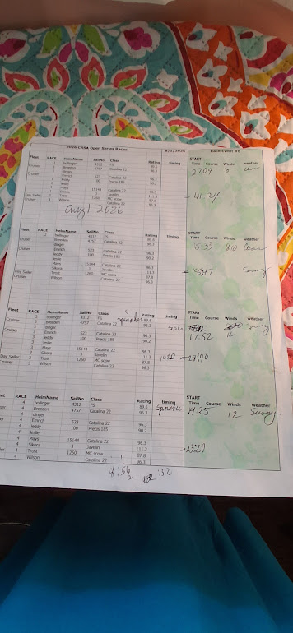
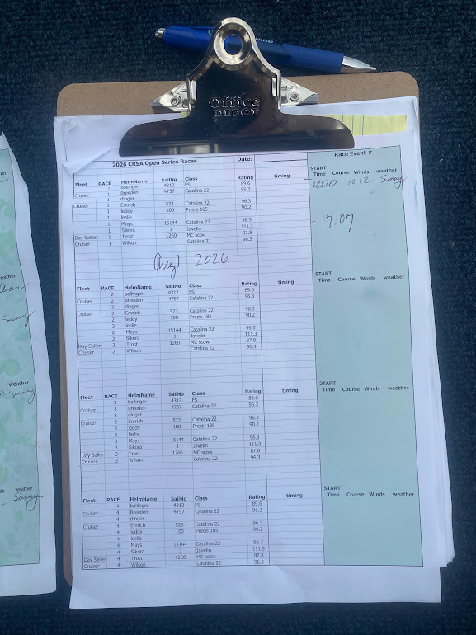
Buoy Race # |  | Date
Series Race | Sailor | Sail Nr | Boat Type | Hdcp | Min | Sec | Act Time Decinal | Corr Time Decimal | Corr Time Min/Sec | Place | comments | START Time | Course | Winds | weather
 |  |  |  |  |  |  |  |  |  |  |  |  |  | 8 | sunny
13 | bollinger | 4312 | FS | 89.6 | 27 | 9 | 27.15 | 30.30 | 30:18 | 1
13 | SIKORA | J | Javelin | 111.3 | 41 | 24 | 41.40 | 37.20 | 37:12 | 2

14 | bollinger | 4312 | FS | 89.6 | 15 | 33 | 15.55 | 17.35 | 17:21 | 2 |  |  |  | 8-10 | sunny
 | SIKORA | J | Javelin | 111.3 | 18 | 47 | 18.78 | 16.88 | 16:53 | 1

15 | bollinger | 4312 | FS | 89.6 | 17 | 52 | 17.87 | 19.94 | 19:56 | 1 |  |  |  | 12 | sunny
 | SIKORA | J | Javelin | 111.3 | 28 | 40 | 28.67 | 25.76 | 25:45 | 2

16 | bollinger | 4312 | FS | 89.6 | 14 | 25 | 14.42 | 16.09 | 16:05 | 1 | spinnaker |  |  | 12 | sunny
 | SIKORA | J | Javelin | 111.3 | 23 | 20 | 23.33 | 20.96 | 20:58 | 2

17 | bollinger | 4312 | FS | 89.6 | 12 | 20 | 12.33 | 13.76 | 13:46 | 1 |  |  |  | 10-12 | sunny
 | SIKORA | J | Javelin | 111.3 | 17 | 7 | 17.12 | 15.38 | 15:23 | 2

 |  |  |  |  |  |  |  |  |  | Total Points
Total | bollinger | 4312 | FS | 89.6 | 85 | 139 |  |  |  | 6
Total | SIKORA | J | Javelin | 111.3 | 127 | 138 |  |  |  | 9

4 - 062026
Buoy Race # | 4 | Date | 2026-06-20 |  |  | Race Officer | Trost
Series Race | Sailor | Sail Nr | Boat Type | Hdcp | +Minute | Min | Sec | Act Time Decinal | Corr Time Decimal | Corr Time Min/Sec | Place |  | START Time | Course | Winds
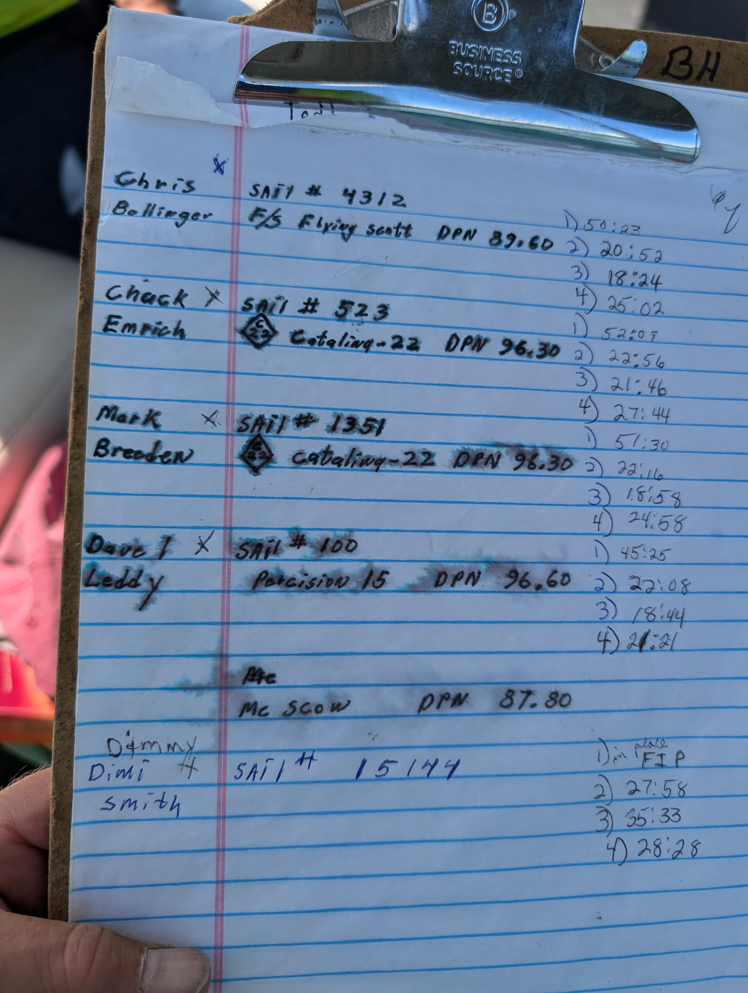
9 | bollinger | 4312 | FS | 89.6 |  | 50 | 23 | 50.38 | 56.23 | 56:14 | 4
9 | breeden | 1351 | Catalina 22 | 96.3 |  | 51 | 30 | 51.50 | 53.48 | 53:29 | 2
9 | emrich | 523 | Catalina 22 | 96.3 |  | 52 | 9 | 52.15 | 54.15 | 54:09 | 3
9 | leddy | 100 | Precis 185 | 90.2 |  | 45 | 25 | 45.42 | 50.35 | 50:21 | 1
9 | trost - ro | 1292 | MC | 87.8 |  |  |  | 0.00 | 0.00 | 00:00 | 2
9 | mays | 15144 | Catalina 22 | 96.3 |  |  |  | 0.00 | 0.00 | 00:00 | 6 | FIP

10 | bollinger | 4312 | FS | 89.6 |  | 20 | 52 | 20.87 | 23.29 | 23:17 | 2
10 | breeden | 1351 | Catalina 22 | 96.3 |  | 22 | 16 | 22.27 | 23.12 | 23:07 | 1
10 | emrich | 523 | Catalina 22 | 96.3 |  | 22 | 56 | 22.93 | 23.81 | 23:49 | 3
10 | leddy | 100 | Precis 185 | 90.2 |  | 22 | 8 | 22.13 | 24.54 | 24:32 | 4
10 | trost | 1292 | MC | 87.8 |  |  |  | 0.00 | 0.00 | 00:00 | 2
10 | mays | 15144 | Catalina 22 | 96.3 |  | 27 | 58 | 27.97 | 29.04 | 29:02 | 5

11 | bollinger | 4312 | FS | 89.6 |  | 18 | 24 | 18.40 | 20.54 | 20:32 | 2
11 | breeden | 1351 | Catalina 22 | 96.3 |  | 18 | 58 | 18.97 | 19.70 | 19:42 | 1
11 | emrich | 523 | Catalina 22 | 96.3 |  | 21 | 46 | 21.77 | 22.60 | 22:36 | 4
11 | leddy | 100 | Precis 185 | 90.2 |  | 18 | 44 | 18.73 | 20.77 | 20:46 | 3
11 | trost | 1292 | MC | 87.8 |  |  |  | 0.00 | 0.00 | 00:00 | 2
11 | mays | 15144 | Catalina 22 | 96.3 |  | 35 | 33 | 35.55 | 36.92 | 36:55 | 5

12 | bollinger | 4312 | FS | 89.6 |  | 25 | 2 | 25.03 | 27.94 | 27:56 | 3
12 | breeden | 1351 | Catalina 22 | 96.3 |  | 24 | 58 | 24.97 | 25.93 | 25:56 | 2
12 | emrich | 523 | Catalina 22 | 96.3 |  | 27 | 44 | 27.73 | 28.80 | 28:48 | 4
12 | leddy | 100 | Precis 185 | 90.2 |  | 21 | 21 | 21.35 | 23.67 | 23:40 | 1
12 | trost | 1292 | MC | 87.8 |  |  |  | 0.00 | 0.00 | 00:00 | 2
12 | mays | 15144 | Catalina 22 | 96.3 |  | 28 | 28 | 28.47 | 29.56 | 29:34 | 5

event place |  | event total |  |  |  | FIP = #boats +1
4 | bollinger | 11
5 | emrich | 14
3 | leddy | 9
2 | trost | 8 | RO
1 | breeden | 6
6 | mays | 21

3 - 061326
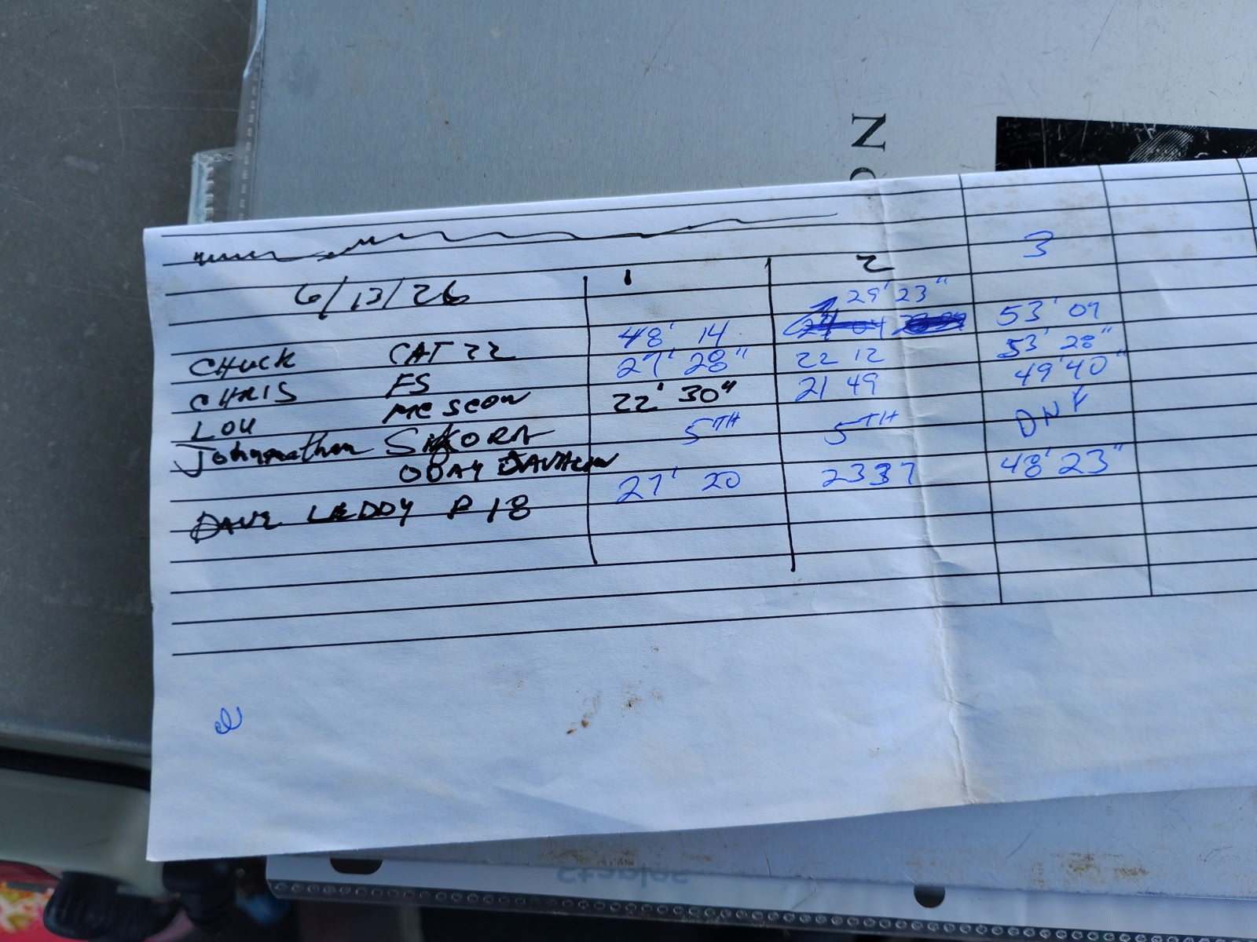
Buoy Race # | 3 | Date | 2026-06-13
Series Race | Sailor | Sail Nr | Boat Type | Hdcp | +Minute | Min | Sec | Act Time Decinal | Corr Time Decimal | Corr Time Min/Sec | Place |  | START Time | Course | Winds

6 | bollinger | 4312 | FS | 89.6 |  | 27 | 28 | 27.47 | 30.65 | 30:39 | 3
6 | emrich | 523 | Catalina 22 | 96.3 |  | 48 | 14 | 48.23 | 50.09 | 50:05 | 4
6 | leddy | 100 | Precis 185 | 90.2 |  | 27 | 20 | 27.33 | 30.30 | 30:18 | 2
6 | leslie | RO |  |  |  |  |  |  |  |  | 2
6 | SIKORA | J | Javelin | 111.3 |  | 0 | 0 | 0.00 | 0.00 | 00:00 | 5
6 | trost | 1292 | MC | 87.8 |  | 22 | 30 | 22.50 | 25.63 | 25:38 | 1

7 | bollinger | 4312 | FS | 89.6 |  | 22 | 12 | 22.20 | 24.78 | 24:47 | 1
7 | emrich | 523 | Catalina 22 | 96.3 |  | 29 | 23 | 29.38 | 30.51 | 30:31 | 4
7 | leddy | 100 | Precis 185 | 90.2 |  | 23 | 37 | 23.62 | 26.18 | 26:11 | 3
7 | leslie | RO |  |  |  |  |  |  |  |  | 2
7 | SIKORA | J | Javelin | 111.3 |  | 0 | 0 | 0.00 | 0.00 | 00:00 | 5
7 | trost | 1292 | MC | 87.8 |  | 21 | 49 | 21.82 | 24.85 | 24:51 | 2

8 | bollinger | 4312 | FS | 89.6 |  | 53 | 28 | 53.47 | 59.67 | 59:40 | 4
8 | emrich | 523 | Catalina 22 | 96.3 |  | 53 | 7 | 53.12 | 55.16 | 55:09 | 2
8 | leddy | 100 | Precis 185 | 90.2 |  | 48 | 23 | 48.38 | 53.64 | 53:38 | 1
8 | leslie | RO |  |  |  |  |  |  |  |  | 2
8 | SIKORA | J | Javelin | 111.3 |  |  |  | 0.00 | 0.00 | 00:00 | 6 | DNF
8 | trost | 1292 | MC | 87.8 |  | 49 | 40 | 49.67 | 56.57 | 56:34 | 3

event place |  | event total
2 | bollinger | 8
3 | emrich | 10
1 tie | leddy | 6
1 tie | leslie RO | 6
4 | SIKORA | 16
1 tie | trost | 6

2 - 053026
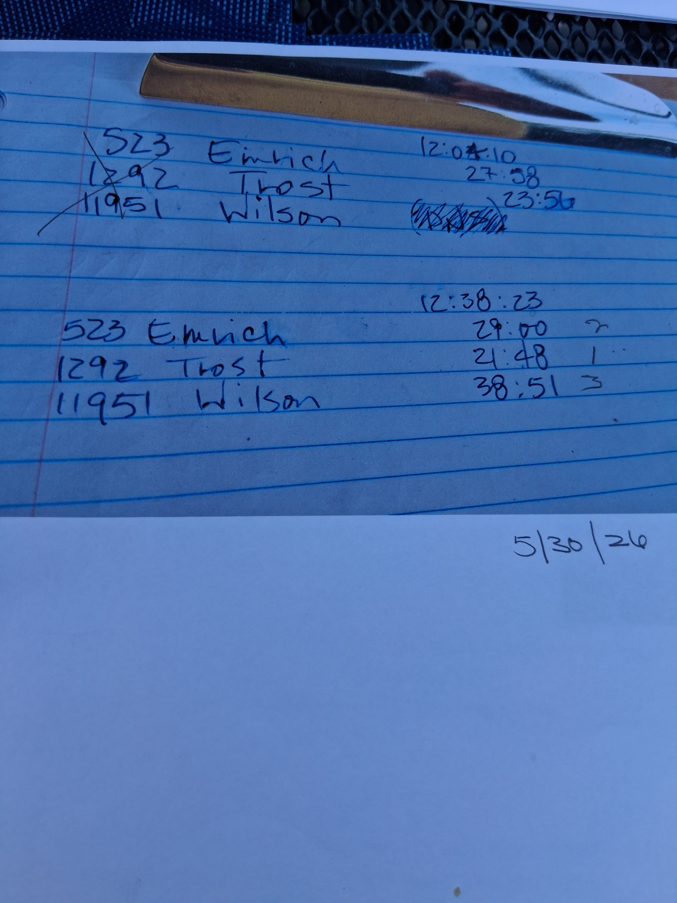
Series Buoy Race # | 2 | Date | 2026-05-30
Race | Sailor | Sail Nr | Boat Type | Hdcp | Min | Sec | Act Time Decinal | Corr Time Decimal | Corr Time Min/Sec | Place | START Time | Course | Winds
 |  |  |  |  |  |  |  |  |  |  | 12:04:10 | AP
 | trost | 1292 | MC | 87.8 | 23 | 56 | 23.93 | 27.26 | 27:16 | 1 |  |  |  | -0.5028935185
 | emrich | 523 | Catalina 22 | 96.3 | 27 | 58 | 27.97 | 29.04 | 29:02 | 2 |  |  |  | -0.5028935185
 | wilson | 11951 | Catalina 22 | 96.3 | 0 | 0 | 0.00 | 0.00 | 00:00 | DNS |  |  |  | -0.5028935185
RACE OMITTED
 |  |  |  |  |  |  |  |  |  |  | 12:38:23
5 | trost | 1292 | MC | 87.8 | 21 | 48 | 21.80 | 24.83 | 24:50 | 1 |  |  |  | -0.5266550926
5 | emrich | 523 | Catalina 22 | 96.3 | 29 | 0 | 29.00 | 30.11 | 30:07 | 2 |  |  |  | -0.5028935185
5 | wilson | 11951 | Catalina 22 | 96.3 | 38 | 51 | 38.85 | 40.34 | 40:21 | 3 |  |  |  | -0.5028935185
5 | bollinger | ro |  |  |  |  |  |  |  | 2 |  |  | DEAD

FINAL |  | Points
1 | trost | 1
2 | emrich | 2
3 | wilson | 3
ro | bollinger | 2

 | leddy | Precision 18.5 no spi Centerboard PRS185 90.20 (91.50) [90.2] (88.00)

 | bollinger | Flying Scot (19') Centerboard FSCT 89.60 92.10 90.40 89.10 87.50

1 - 050926
Buoy Race # | 1 | Date | 2026-05-09
Series Race | Sailor | Sail Nr | Boat Type | Hdcp | +Minute | Min | Sec | Act Time Decinal | Corr Time Decimal | Corr Time Min/Sec | Corr Place |  | START Time | Course | Winds
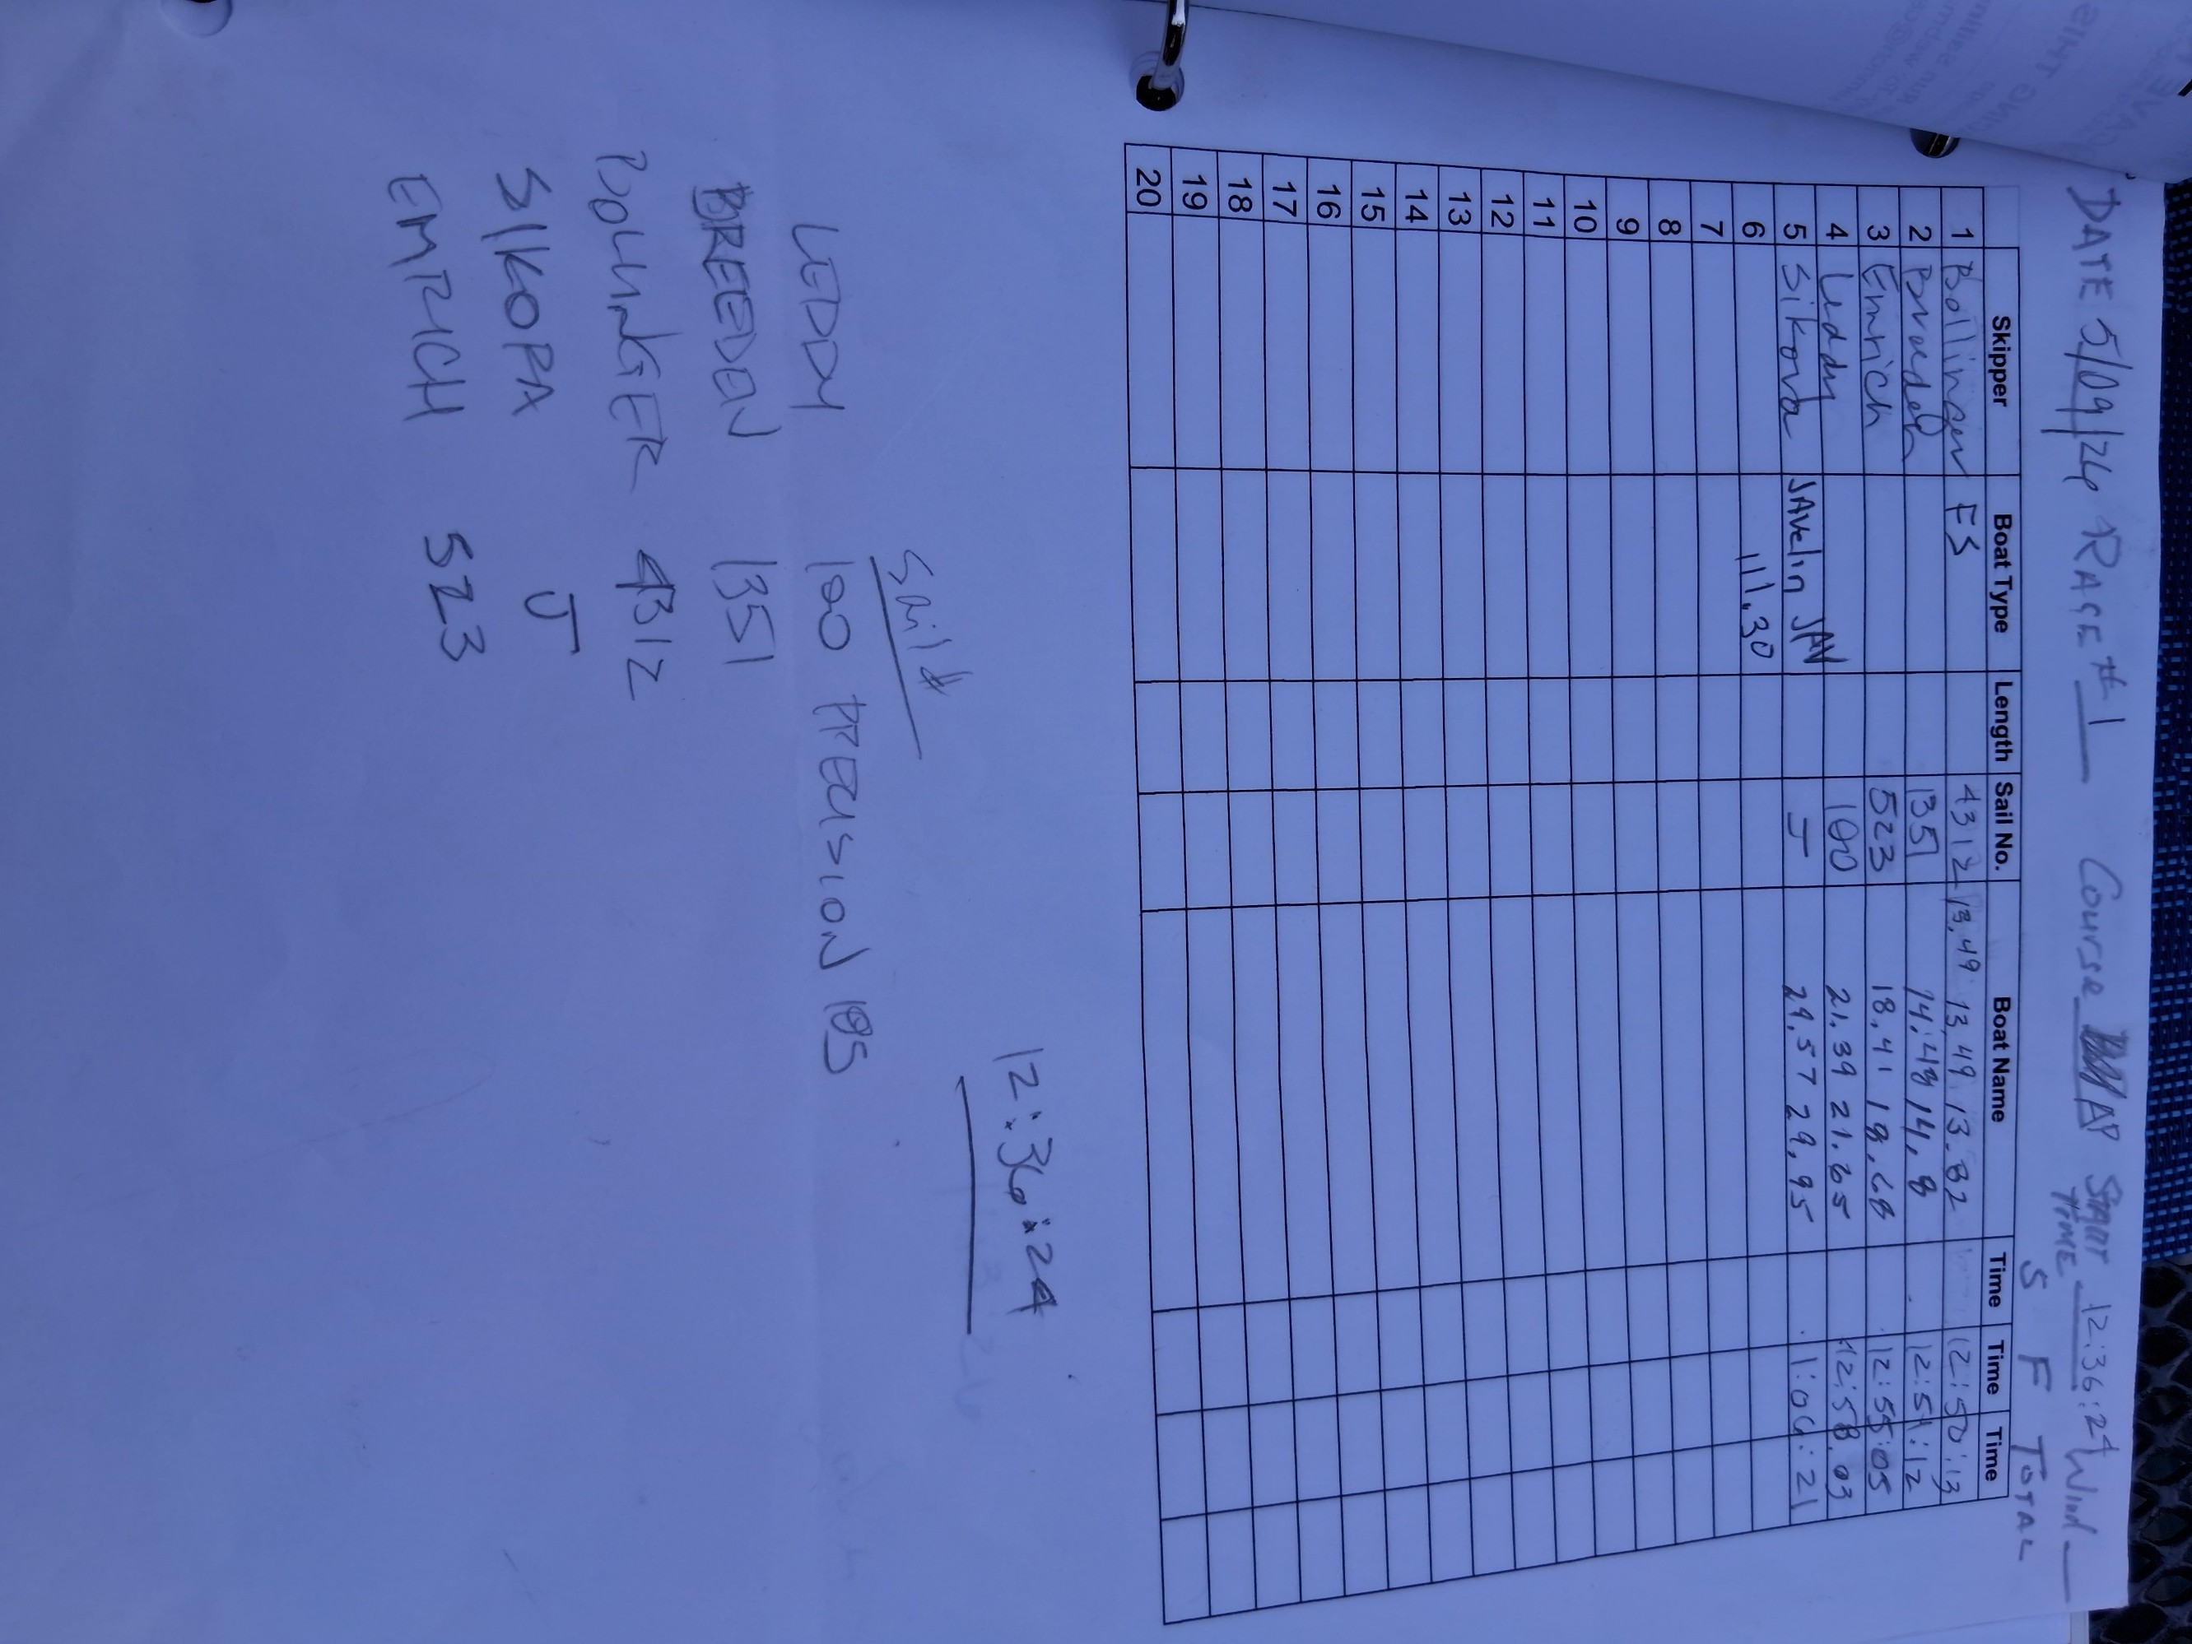
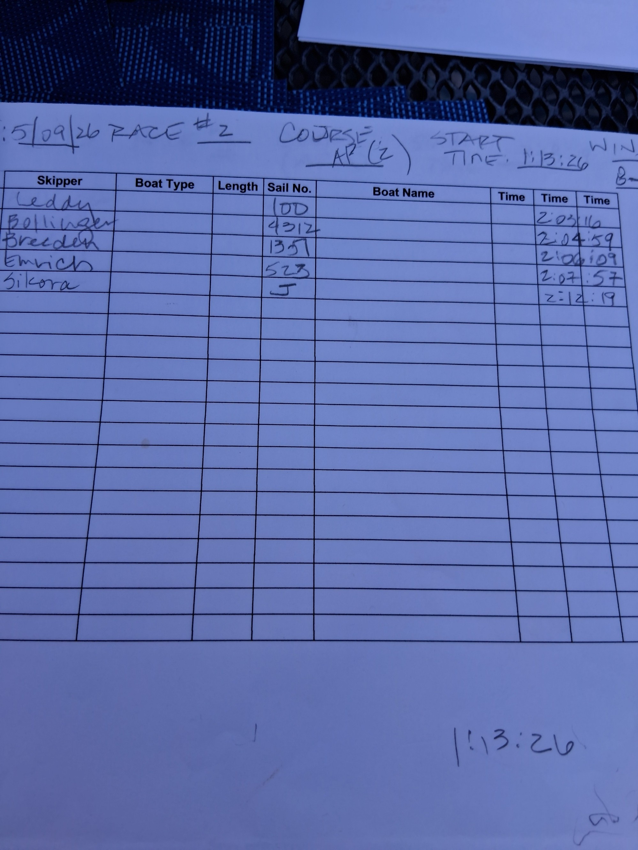
 |  |  |  |  |  |  |  |  |  |  |  |  | 12:36:24 | AP
1 | breeden | 1351 | Catalina 22 | 96.3 | 0 | 14 | 48 | 14.80 | 15.37 | 15:22 | 1
1 | bollinger | 4312 | FS | 89.6 | 0 | 13 | 49 | 13.82 | 15.42 | 15:25 | 2
1 | emrich | 523 | Catalina 22 | 96.3 | 0 | 18 | 41 | 18.68 | 19.40 | 19:24 | 3
1 | leddy | 100 | Precis 185 | 90.2 | 0 | 21 | 39 | 21.65 | 24.00 | 24:00 | 4
1 | Sikora | J | Javelin | 111.3 | 0 | 29 | 57 | 29.95 | 26.91 | 26:55 | 5
1 | dinger | RO |  |  |  |  |  |  |  |  | 2

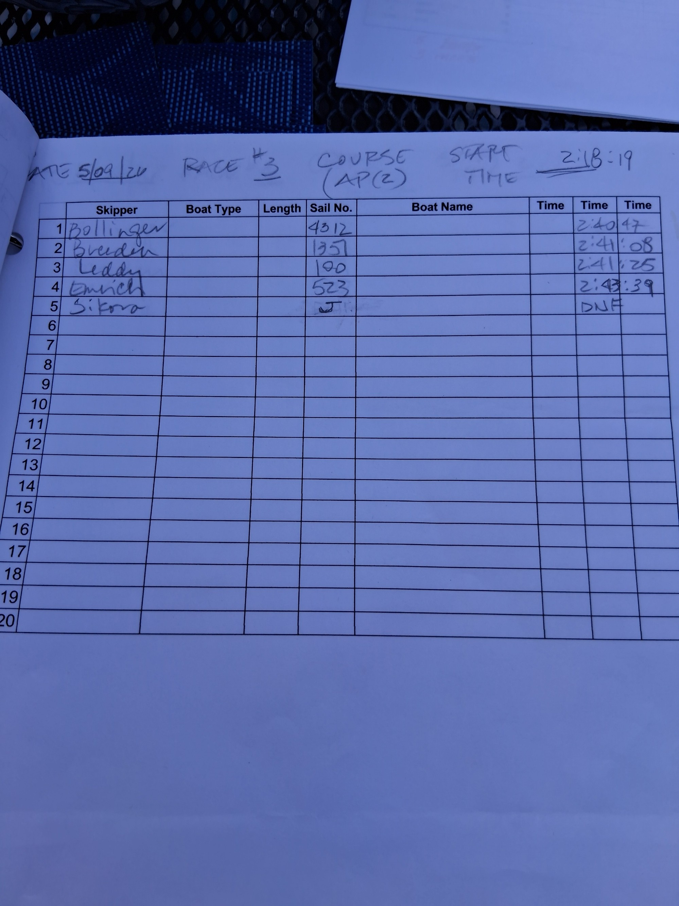
 |  |  |  |  |  |  |  |  |  |  |  |  | 1:13:26 | AP(2) | 8-9
2 | Sikora | J | Javelin | 111.3 | 0 | 58 | 53 | 58.88 | 52.91 | 52:54 | 1 | 2:12:19 |  |  |  | 0:58:53
2 | breeden | 1351 | Catalina 22 | 96.3 | 0 | 52 | 43 | 52.72 | 54.74 | 54:45 | 2 | 2:06:09 |  |  |  | 0:52:43
2 | leddy | 100 | Precis 185 | 90.2 | 0 | 49 | 50 | 49.83 | 55.25 | 55:15 | 3 | 2:03:16 |  |  |  | 0:49:50
2 | emrich | 523 | Catalina 22 | 96.3 | 0 | 54 | 31 | 54.52 | 56.61 | 56:37 | 4 | 2:07:57 |  |  |  | 0:54:31
2 | bollinger | 4312 | FS | 89.6 | 0 | 51 | 33 | 51.55 | 57.53 | 57:32 | 5 | 2:04:59 |  |  |  | 0:51:33
2 | dinger | ro |  |  |  |  |  |  |  |  | 2
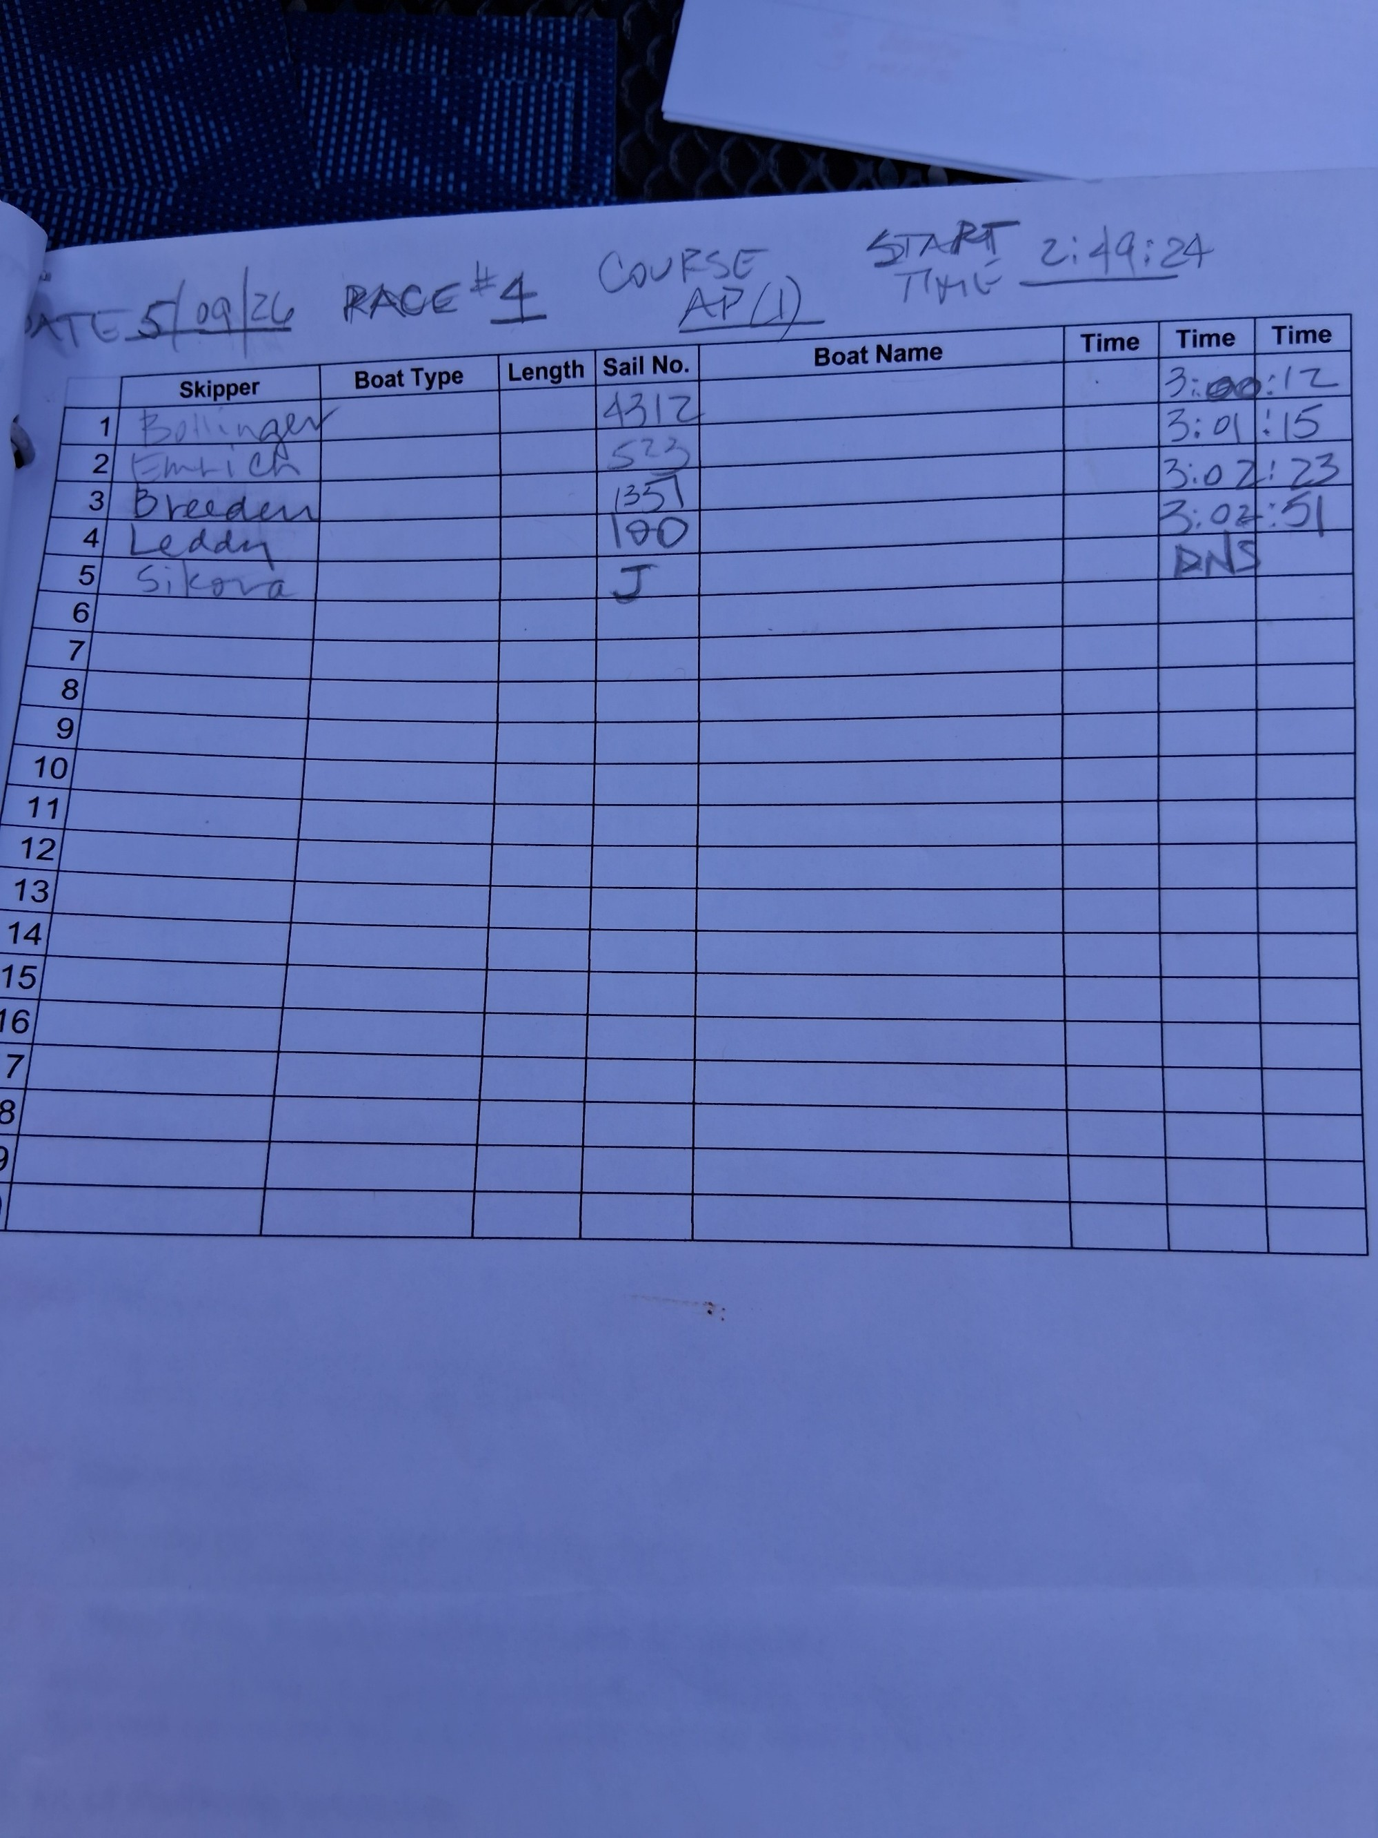

 |  |  |  |  |  |  |  |  |  |  |  |  | 2:18:19 | AP(2)
3 | Sikora | J | Javelin | 111.3 | 0 | 0 | 0 | 0.00 | 0.00 | 00:00 | 6 | DNF |  |  |  | 0:00:00
3 | breeden | 1351 | Catalina 22 | 96.3 | 0 | 22 | 49 | 22.82 | 23.69 | 23:42 | 1 | 2:41:08 |  |  |  | 0:22:49
3 | bollinger | 4312 | FS | 89.6 | 0 | 22 | 28 | 22.47 | 25.07 | 25:04 | 2 | 2:40:47 |  |  |  | 0:22:28
3 | leddy | 100 | Precis 185 | 90.2 | 0 | 23 | 6 | 23.10 | 25.61 | 25:37 | 3 | 2:41:25 |  |  |  | 0:23:06
3 | emrich | 523 | Catalina 22 | 96.3 | 0 | 25 | 20 | 25.33 | 26.31 | 26:18 | 4 | 2:43:39 |  |  |  | 0:25:20
3 | dinger | ro |  |  |  |  |  |  |  |  | 2

 |  |  |  |  |  |  |  |  |  |  |  |  | 2:49:24 | AP(1)
4 | Sikora | J | Javelin | 111.3 | 0 | 0 | 0 | 0.00 | 0.00 | 00:00 | 6 | DNS |  |  |  | 0:00:00
4 | emrich | 523 | Catalina 22 | 96.3 | 0 | 42 | 56 | 42.93 | 44.58 | 44:35 | 1 | 3:01:15 |  |  |  | 0:42:56
4 | breeden | 1351 | Catalina 22 | 96.3 | 0 | 44 | 4 | 44.07 | 45.76 | 45:46 | 2 | 3:02:23 |  |  |  | 0:44:04
4 | bollinger | 4312 | FS | 89.6 | 0 | 41 | 53 | 41.88 | 46.74 | 46:45 | 3 | 3:00:12 |  |  |  | 0:41:53
4 | leddy | 100 | Precis 185 | 90.2 | 0 | 44 | 32 | 44.53 | 49.37 | 49:22 | 4 | 3:02:51 |  |  |  | 0:44:32
4 | dinger | ro |  |  |  |  |  |  |  |  | 2

aggregated totals
Place | Racer | Points | comments
4 | Sikora | 18 | NEW RACER
1 | Breeden | 6
2t | Emrich | 12
3 | Leddy | 14
2t | Bollinger | 12
 | dinger | 8 | RO

